Order Form - Saturday 11th Dec
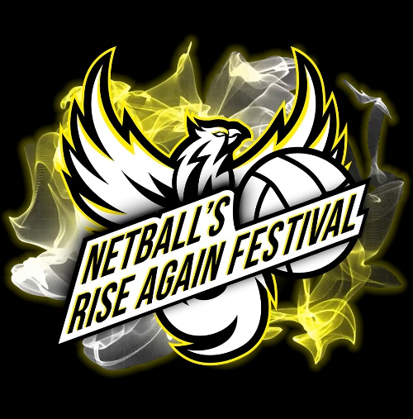

NETBALL'S RISE AGAIN FESTIVAL 2021
GROUP TICKET BOOKING FORM

SATURDAY 11th DECEMBER 2021

YOUR NAME: | (Enter here)
CLUB/TEAM NAME | (Enter here)
CONTACT NUMBER: | (Enter here)
E-MAIL ADDRESS: | (Enter here)
ADDRESS (FOR INVOICE): | (Enter here)

 | 0
 | 0
TICKETS | QUANTITY REQUIRED | INDIVIUAL GROUP TICKET PRICE | SUB-TOTAL:
Gold Adult Group (for 10+ tickets) | 0 | £39.00 | £0.00
Gold Child Group (FREE adult per 10 tickets) | 0 | £25.00 | £0.00
No of Free Gold Adult Tickets | 0 | £0.00 | £0.00
Silver Adult Group (for 10+ tickets) | 0 | £31.00 | £0.00
Silver Child Group (FREE adult per 10 tickets) | 0 | £20.00 | £0.00
No of Free Silver Adult Tickets | 0 | £0.00 | £0.00
TOTAL TICKETS REQUIRED (MUST BE 10+) | 0 | TOTAL DUE | £0.00

SEATING PREFERENCE
Please select from the dropdown below which stand you would like to sit in:
No Preference

TEAM REFERRAL
Have you been referred to purchase group tickets by a specific club? If yes, please select the club below:
No

AUTHORISED BY: | (From your club/team)
METHOD OF PAYMENT (BACS, Card or Cheque): | (Enter here)

FOR PAYMENTS BY BACS: |  | FOR PAYMENTS BY CHEQUE:
BANK DETAILS: Thunder Netball UK Ltd. |  | PAYABLE TO: Thunder Netball UK Ltd.
ACCOUNT NO: 70862472 SORT-CODE: 08-92-50 |  | ADDRESS: Netball House, Pennant Street, Oldham OL1 3BS

FOR PAYMENT BY CARD:
Call Netball UK on 0161 626 3936 Monday - Friday 9am-5pm

Please ensure all parts of this form are completed and returned to netball@riseagainfestival.co.uk

